Index
EDELWEISS MUTUAL FUND
PORTFOLIO STATEMENT as on 31 May 02022
Fund Id | Fund Desc | Scheme Risk- O - Meter | Benchmark of the Scheme | Benchmark Risk-o-meter | Benchmark of the Scheme | Benchmark Risk-o-meter
EDACBF | Edelweiss Money Market Fund | 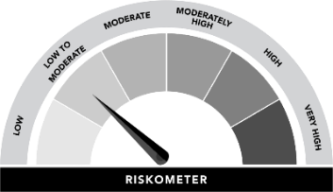 | NIFTY Money Market Index B-I (TIER-1) |  | NIFTY Money Market Index A-I (TIER-2)
EDBE23 | BHARAT Bond ETF - April 2023 |  | NIFTY BHARAT Bond Index - April 2023
EDBE25 | BHARAT Bond ETF - April 2025 |  | NIFTY BHARAT Bond Index - April 2025
EDBE30 | BHARAT Bond ETF - April 2030 |  | NIFTY BHARAT Bond Index - April 2030
EDBE31 | BHARAT Bond ETF - April 2031 |  | NIFTY BHARAT Bond Index - April 2031
EDBE32 | BHARAT Bond ETF - April 2032 |  | Nifty BHARAT Bond Index – April 2032
EDBPDF | Edelweiss Banking and PSU Debt Fund |  | NIFTY Banking and PSU Debt Index (TIER - 1) |  | Nifty Banking & PSU Debt Index - A-III (TIER - 2)
EDCPSF | Edelweiss CRL PSU PL SDL 50 50 Oct-25 FD |  | CRISIL [IBX] 50:50 PSU + SDL Index - October 2025
EDFF23 | BHARAT Bond FOF - April 2023 |  | NIFTY BHARAT Bond Index - April 2023
EDFF25 | BHARAT Bond FOF - April 2025 |  | NIFTY BHARAT Bond Index - April 2023
EDFF30 | BHARAT Bond FOF - April 2030 |  | NIFTY BHARAT Bond Index - April 2030
EDFF31 | BHARAT Bond FOF - April 2031 |  | NIFTY BHARAT Bond Index - April 2031
EDFF32 | BHARAT Bond FOF - April 2032 |  | Nifty BHARAT Bond Index – April 2032
EDGSEC | Edelweiss Government Securities Fund |  | NIFTY All Duration G-Sec Index (TIER - 1) |  | Nifty G -Sec Index A -III (TIER - 2)
EDNP27 | Edelweiss NY PSU BD PL SDL IDX Fund-2027 |  | Nifty PSU Bond Plus SDL Apr 2027 50:50 Index
EDNPSF | Edelweiss NY PSU BD Pl SDL Idx Fund-2026 |  | Nifty PSU Bond Plus SDL Apr 2026 50:50 Index
EDONTF | EDELWEISS OVERNIGHT FUND |  | NIFTY 1D Rate Index
EEARBF | Edelweiss Arbitrage Fund |  | Nifty 50 Arbitrage Index
EEARFD | Edelweiss Balanced Advantage Fund |  | CRISIL Hybrid 50+50 Moderate Index | 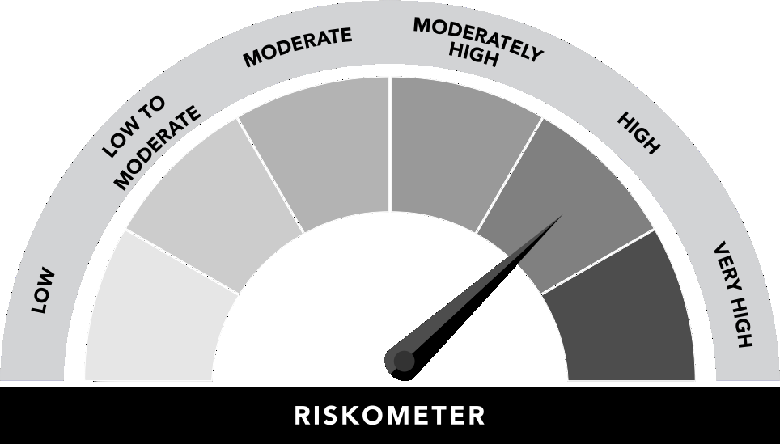
EEDGEF | Edelweiss Large Cap Fund |  | Nifty 50 Total Return Index
EEECRF | Edelweiss Flexi-Cap Fund |  | Nifty 500 Total Return Index
EEELSS | Edelweiss Long Term Equity Fund |  | Nifty 500 Total Return Index
EEEQTF | Edelweiss Large & Mid Cap Fund |  | Nifty Large Midcap 250 Index - Total Return Index
EEESCF | Edelweiss Small Cap Fund |  | Nifty Smallcap 250 TR Index
EEESSF | Edelweiss Equity Savings Fund |  | NIFTY Equity Savings Index
EEIF30 | Edelweiss Nifty 100 Quality 30 Index Fnd |  | Nifty 100 Quality 30
EEIF50 | Edelweiss Nifty 50 Index Fund |  | Nifty 50
EELMIF | Edelweiss Large & Midcap Index Fund |  | NIFTY LargeMidcap 250 Total Return Index
EEMOF1 | EDELWEISS RECENTLY LISTED IPO FUND |  | India Recent 100 IPO
EENFBA | Edelweiss ETF - Nifty Bank |  | Nifty Bank
EEPRUA | Edelweiss Aggressive Hybrid Fund |  | CRISIL Hybrid 35+65 - Aggressive Index
EESMCF | Edelweiss Mid Cap Fund |  | Nifty Midcap 100 Total Return Index
ELLIQF | Edelweiss Liquid Fund |  | NIFTY Liquid Index B-I (TIER-1) |  | NIFTY Liquid Index A-I (TIER-2)
EOASEF | Edelweiss ASEAN Equity Off-shore Fund |  | MSCI AC ASEAN Index
EOCHIF | Edelweiss Greater China Equity Off-shore Fund |  | MSCI Golden Dragon Index (Total Return Net)
EODWHF | Edelweiss MSCI (I) DM & WD HC 45 ID Fund |  | MSCI India Domestic & World Healthcare 45 Index
EOEDOF | Edelweiss Europe Dynamic Equity Offshore Fund |  | MSCI Europe Index (Total Return Net)
EOEMOP | Edelweiss Emerging Markets Opportunities Equity Offshore Fund |  | MSCI Emerging Market Index
EOUSEF | Edelweiss US Value Equity Off-shore Fund |  | Russell 1000 Equal Weighted Technology Index
EOUSTF | EDELWEISS US TECHNOLOGY EQUITY FOF |  | Russell 1000 Equal Weighted Technology Index

